Sheet1
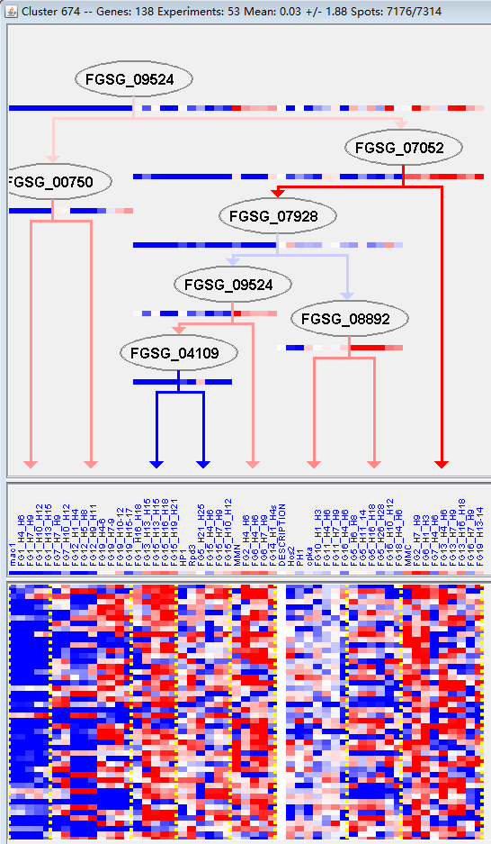
k | Filter | FUNCTIONAL CATEGORY | abs SET | rel SET | genes SET | abs GENOME | rel GENOME | rel SET/rel GENOME | P-VALUE | Bonferroni_corr | FDR
01.05 C-compound and carbohydrate metabolism | 41 | 31 | FGSG_00150 FGSG_00177 FGSG_00767 FGSG_01235 FGSG_01972 FGSG_02160 FGSG_02355 FGSG_02441 FGSG_02632 FGSG_02641 FGSG_02753 FGSG_11554 FGSG_04248 FGSG_04194 FGSG_03957 FGSG_03898 FGSG_03767 FGSG_03462 FGSG_03414 FGSG_03212 FGSG_04892 FGSG_05624 FGSG_06549 FGSG_06744 FGSG_07249 FGSG_07302 FGSG_07570 FGSG_07640 FGSG_08946 FGSG_08413 FGSG_08980 FGSG_09028 FGSG_09063 FGSG_09082 FGSG_09364 FGSG_09599 FGSG_10284 FGSG_11150 FGSG_13861 FGSG_11300 FGSG_11298 | 1547 | 11.1 | 2.792792793 | 5.40E-10
01 METABOLISM | 60 | 45.4 | FGSG_00150 FGSG_00177 FGSG_00767 FGSG_00828 FGSG_01235 FGSG_01561 FGSG_01972 FGSG_02117 FGSG_02160 FGSG_02251 FGSG_02355 FGSG_02441 FGSG_12142 FGSG_02632 FGSG_02641 FGSG_02753 FGSG_11554 FGSG_04248 FGSG_04194 FGSG_04155 FGSG_04012 FGSG_03957 FGSG_03944 FGSG_03898 FGSG_03767 FGSG_03462 FGSG_03438 FGSG_03414 FGSG_03212 FGSG_02880 FGSG_04736 FGSG_04892 FGSG_05335 FGSG_05624 FGSG_05738 FGSG_06549 FGSG_06744 FGSG_07249 FGSG_07302 FGSG_07570 FGSG_07640 FGSG_08946 FGSG_08413 FGSG_13388 FGSG_08980 FGSG_09028 FGSG_09031 FGSG_09042 FGSG_09063 FGSG_09082 FGSG_09364 FGSG_09599 FGSG_10284 FGSG_11150 FGSG_13861 FGSG_11026 FGSG_10995 FGSG_10853 FGSG_11300 FGSG_11298 | 3402 | 24.6 | 1.845528455 | 1.30E-07
01.20 secondary metabolism | 18 | 13.6 | FGSG_00828 FGSG_01561 FGSG_01972 FGSG_02117 FGSG_02251 FGSG_11554 FGSG_04194 FGSG_03944 FGSG_03898 FGSG_03438 FGSG_04736 FGSG_05335 FGSG_07302 FGSG_08413 FGSG_09063 FGSG_10284 FGSG_11026 FGSG_11298 | 627 | 4.53 | 3.002207506 | 2.81E-05
01.05.02 sugar, glucoside, polyol and carboxylate metabolism | 12 | 9.09 | FGSG_00767 FGSG_01235 FGSG_02355 FGSG_02632 FGSG_04248 FGSG_03767 FGSG_03212 FGSG_08946 FGSG_09028 FGSG_09082 FGSG_09599 FGSG_13861 | 307 | 2.22 | 4.094594595 | 3.75E-05
01.06 lipid, fatty acid and isoprenoid metabolism | 20 | 15.1 | FGSG_00150 FGSG_00177 FGSG_01972 FGSG_02117 FGSG_02160 FGSG_12142 FGSG_11554 FGSG_03957 FGSG_03944 FGSG_03438 FGSG_04892 FGSG_06744 FGSG_07570 FGSG_07640 FGSG_08413 FGSG_09031 FGSG_09063 FGSG_10853 FGSG_11300 FGSG_11298 | 850 | 6.14 | 2.459283388 | 0.000157922
20.09.18.07 non-vesicular cellular import | 9 | 6.81 | FGSG_00058 FGSG_02382 FGSG_02641 FGSG_03957 FGSG_07666 FGSG_09053 FGSG_11150 FGSG_11069 FGSG_10809 | 278 | 2.01 | 3.388059701 | 0.00138843
14.13.04 lysosomal and vacuolar protein degradation | 4 | 3.03 | FGSG_12142 FGSG_02976 FGSG_04936 FGSG_09382 | 51 | 0.36 | 8.416666667 | 0.001401759
32.07 detoxification | 13 | 9.84 | FGSG_00150 FGSG_01782 FGSG_02117 FGSG_02160 FGSG_11554 FGSG_03944 FGSG_03080 FGSG_06744 FGSG_08413 FGSG_13388 FGSG_09063 FGSG_09804 FGSG_10995 | 520 | 3.76 | 2.617021277 | 0.001405463
02.16.01 alcohol fermentation | 4 | 3.03 | FGSG_02160 FGSG_04194 FGSG_08980 FGSG_09364 | 56 | 0.4 | 7.575 | 0.001986001
01.05.11.07.01 aerobic aromate catabolism | 4 | 3.03 | FGSG_11554 FGSG_07302 FGSG_08413 FGSG_11298 | 60 | 0.43 | 7.046511628 | 0.002560544
01.05.11.07 aromate catabolism | 4 | 3.03 | FGSG_11554 FGSG_07302 FGSG_08413 FGSG_11298 | 62 | 0.44 | 6.886363636 | 0.002886623
14.13.04.02 vacuolar protein degradation | 3 | 2.27 | FGSG_02976 FGSG_04936 FGSG_09382 | 32 | 0.23 | 9.869565217 | 0.003446157
16.21 complex cofactor/cosubstrate/vitamine binding | 12 | 9.09 | FGSG_01561 FGSG_02117 FGSG_02160 FGSG_02355 FGSG_02753 FGSG_03898 FGSG_03414 FGSG_02880 FGSG_04892 FGSG_05335 FGSG_08413 FGSG_09599 | 514 | 3.71 | 2.450134771 | 0.003745192
01.01.05.01.02 degradation of polyamines | 2 | 1.51 | FGSG_04194 FGSG_10284 | 10 | 0.07 | 21.57142857 | 0.003871705
20.01.03 C-compound and carbohydrate transport | 9 | 6.81 | FGSG_00058 FGSG_02382 FGSG_02641 FGSG_03957 FGSG_03111 FGSG_06551 FGSG_07666 FGSG_11150 FGSG_10995 | 332 | 2.4 | 2.8375 | 0.00456135
01.01.09.02.02 degradation of serine | 2 | 1.51 | FGSG_03414 FGSG_02880 | 12 | 0.08 | 18.875 | 0.005607968
01.05.02.07 sugar, glucoside, polyol and carboxylate catabolism | 7 | 5.3 | FGSG_00767 FGSG_01235 FGSG_02632 FGSG_04248 FGSG_08946 FGSG_09028 FGSG_09082 | 224 | 1.62 | 3.271604938 | 0.005691986
20.01.23 allantoin and allantoate transport | 4 | 3.03 | FGSG_00058 FGSG_02382 FGSG_11069 FGSG_10809 | 75 | 0.54 | 5.611111111 | 0.005719505
01.07 metabolism of vitamins, cofactors, and prosthetic groups | 9 | 6.81 | FGSG_01561 FGSG_02753 FGSG_04012 FGSG_04892 FGSG_07302 FGSG_07570 FGSG_09599 FGSG_10284 FGSG_11300 | 346 | 2.5 | 2.724 | 0.005945724
01.05.06.07 C-2 compound and organic acid catabolism | 3 | 2.27 | FGSG_02160 FGSG_04194 FGSG_09364 | 39 | 0.28 | 8.107142857 | 0.006049104
01.05.03 polysaccharide metabolism | 8 | 6.06 | FGSG_00767 FGSG_02441 FGSG_02632 FGSG_03462 FGSG_03212 FGSG_06549 FGSG_08946 FGSG_13861 | 291 | 2.1 | 2.885714286 | 0.006798095
01.05.06 C-2 compound and organic acid metabolism | 3 | 2.27 | FGSG_02160 FGSG_04194 FGSG_09364 | 45 | 0.32 | 7.09375 | 0.009011048
01.05.11 aromate metabolism | 4 | 3.03 | FGSG_11554 FGSG_07302 FGSG_08413 FGSG_11298 | 87 | 0.62 | 4.887096774 | 0.009598139
20.09.18 cellular import | 11 | 8.33 | FGSG_00058 FGSG_02382 FGSG_02641 FGSG_02753 FGSG_03957 FGSG_06551 FGSG_07666 FGSG_09053 FGSG_11150 FGSG_11069 FGSG_10809 | 519 | 3.75 | 2.221333333 | 0.010904498
01.01.05.01 metabolism of polyamines | 2 | 1.51 | FGSG_04194 FGSG_10284 | 17 | 0.12 | 12.58333333 | 0.011201235
01.01.09.01.02 degradation of glycine | 2 | 1.51 | FGSG_03414 FGSG_05335 | 17 | 0.12 | 12.58333333 | 0.011201235
01.05.02.01 nucleotide-sugar metabolism | 2 | 1.51 | FGSG_02355 FGSG_03767 | 17 | 0.12 | 12.58333333 | 0.011201235
32.05.03 defense related proteins | 4 | 3.03 | FGSG_02117 FGSG_02160 FGSG_04194 FGSG_11026 | 92 | 0.66 | 4.590909091 | 0.011618931
01.20.17 metabolism of secondary products derived from primary amino acids | 4 | 3.03 | FGSG_01561 FGSG_04194 FGSG_03898 FGSG_04736 | 96 | 0.69 | 4.391304348 | 0.013418826
20.01.25 vitamine/cofactor transport | 4 | 3.03 | FGSG_00058 FGSG_02382 FGSG_11069 FGSG_10809 | 97 | 0.7 | 4.328571429 | 0.013894947
20.01 transported compounds (substrates) | 24 | 18.1 | FGSG_00058 FGSG_01561 FGSG_01972 FGSG_02117 FGSG_02160 FGSG_02251 FGSG_02382 FGSG_02641 FGSG_04012 FGSG_03957 FGSG_03414 FGSG_03111 FGSG_03080 FGSG_06551 FGSG_07666 FGSG_08413 FGSG_09031 FGSG_09053 FGSG_09804 FGSG_11150 FGSG_11069 FGSG_10995 FGSG_10853 FGSG_10809 | 1597 | 11.5 | 1.573913043 | 0.015929083
01.05.11.07.01.03 meta-cleavage | 1 | 0.75 | FGSG_07302 | 2 | 0.01 | 75 | 0.019003994
20.09.16.05 Type V protein secretion system (MttABC or TatABCDE-system) | 1 | 0.75 | FGSG_05738 | 2 | 0.01 | 75 | 0.019003994
02.16 fermentation | 4 | 3.03 | FGSG_02160 FGSG_04194 FGSG_08980 FGSG_09364 | 109 | 0.78 | 3.884615385 | 0.020456145
01.20.35.01 metabolism of phenylpropanoids | 3 | 2.27 | FGSG_01972 FGSG_03438 FGSG_08413 | 62 | 0.44 | 5.159090909 | 0.021369082
01.20.36 non-ribosomal peptide synthesis | 2 | 1.51 | FGSG_02251 FGSG_11026 | 24 | 0.17 | 8.882352941 | 0.021765773
16.13.01 sugar binding | 2 | 1.51 | FGSG_02641 FGSG_03212 | 26 | 0.18 | 8.388888889 | 0.025314999
01.20.35 metabolism of secondary products derived from L-phenylalanine and L-tyrosine | 3 | 2.27 | FGSG_01972 FGSG_03438 FGSG_08413 | 68 | 0.49 | 4.632653061 | 0.027179007
16.09 lipid binding | 3 | 2.27 | FGSG_02975 FGSG_09031 FGSG_10853 | 68 | 0.49 | 4.632653061 | 0.027179007
01.03.01.01.03 xanthine catabolism | 1 | 0.75 | FGSG_01561 | 3 | 0.02 | 37.5 | 0.028371143
02 ENERGY | 11 | 8.33 | FGSG_01235 FGSG_01972 FGSG_02160 FGSG_04194 FGSG_04012 FGSG_07249 FGSG_08980 FGSG_09028 FGSG_09082 FGSG_09364 FGSG_10853 | 609 | 4.4 | 1.893181818 | 0.031364895
01.06.06 isoprenoid metabolism | 5 | 3.78 | FGSG_02117 FGSG_07570 FGSG_08413 FGSG_09031 FGSG_11300 | 184 | 1.33 | 2.842105263 | 0.031607213
01.20.17.09 metabolism of alkaloids | 2 | 1.51 | FGSG_01561 FGSG_03898 | 31 | 0.22 | 6.863636364 | 0.035120274
16.21.03 molybdopterin binding | 1 | 0.75 | FGSG_02880 | 4 | 0.02 | 37.5 | 0.037649521
30.01.05.03 protease mediated signal transduction | 1 | 0.75 | FGSG_06511 | 4 | 0.02 | 37.5 | 0.037649521
01.06.06.11 tetracyclic and pentacyclic triterpenes (cholesterin, steroids and hopanoids) metabolism | 4 | 3.03 | FGSG_07570 FGSG_08413 FGSG_09031 FGSG_11300 | 136 | 0.98 | 3.091836735 | 0.04129335
01.20.17.03 metabolism of amines | 2 | 1.51 | FGSG_01561 FGSG_04736 | 35 | 0.25 | 6.04 | 0.043847821
20.03 transport facilities | 13 | 9.84 | FGSG_00058 FGSG_02382 FGSG_02641 FGSG_02753 FGSG_03957 FGSG_03080 FGSG_06551 FGSG_09053 FGSG_09804 FGSG_11150 FGSG_11069 FGSG_10995 FGSG_10809 | 808 | 5.84 | 1.684931507 | 0.044942422
20.01.13 lipid/fatty acid transport | 4 | 3.03 | FGSG_03957 FGSG_06551 FGSG_09031 FGSG_10853 | 141 | 1.01 | 3 | 0.046108235
20.03.02 carrier (electrochemical potential-driven transport) | 4 | 3.03 | FGSG_03957 FGSG_03080 FGSG_09804 FGSG_11150 | 142 | 1.02 | 2.970588235 | 0.04710731
01.05.02.04 sugar, glucoside, polyol and carboxylate anabolism | 3 | 2.27 | FGSG_04248 FGSG_03767 FGSG_09082 | 85 | 0.61 | 3.721311475 | 0.047721114

01.05 c -化合物和碳水化合物代谢
01新陈代谢

